PKG BOM 20241119-TW
 |  |  |  |  |  |  |  |  |  |  |  |  |  |  | 裕同 | 旺盈 |  |  | FD |  | TW
Steelseries Rival3 Gen2 RFQ - Package BOM list |  |  |  |  |  |  |  |  |  |  | Date: 2024/6/18 |  |  | True Cost |  |  |  |  |  |  |  |  |  |  |  | True Cost |  |  |  |  |  |  | 7.10
Model Description: Steelseries Rival 3 Gen2 |  |  |  |  |  |  |  |  | Rev.:A | ELM5 Gen2 |  |  | Difference between 1015 & 0618 | 2024/10/14 DV Phase | 報價 in RMB w/ FSC certificate |  |  |  | 報價 in USD w/ FSC certificate |  | 報價 in USD w/ FSC certificate |  |  |  | Markup | EV Phase | 報價 in RMB w/ FSC certificate |  |  | 報價 in USD w/ FSC certificate |  | Markup | Remark
No. | Level | Foxlink P/N | Foxlink P/N description | Customer P/N | Customer Description | Image | Description | Chinese Part name | Unit Q'ty (pcs) | Unit Price (USD/pc) ELM5 Gen2 | Amount (USD) ELM5 Gen2 | Remark |  | QTY | 單價 RMB | 單價 RMB | MOQ | LT day | 單價 USD | Amount(USD) | MOQ | LT day | 單價 USD | Amount(USD) |  | QTY | 單價 RMB | MOQ | LT day | 單價 USD | Amount(USD)
1 | 1 | 584A-1053-00A0 | BOX,ELM5 Gen2/FSG-E1J7,62515 RIVAL3 GEN2 BLACK, 153x86x46mm,300gsm SBS,FSC,RoHS | N/A | black Box | 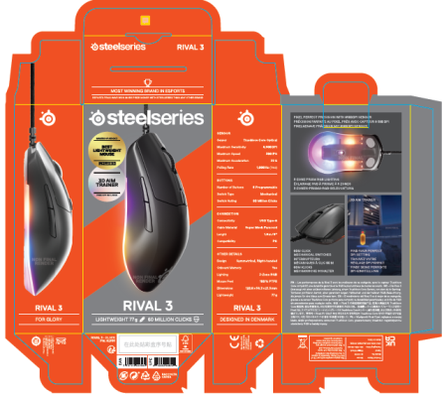 | Box Outside set-up dimensions:(LxWxD):153x86x46mm Flat sheet dimensions:(L)278x(W)250x(T)0.5mm Material:350gsm SBS Print: 4C+1C PMS Surface process: AQ Coating Joint: Glued inside Remark:包装原料需符合FSC认证要求 | 彩盒 | 1 | US$0.3033 | US$0.3033 | 031324: Paper with FSC certificate was 0.2821 | 0.0536 | 1 | 1.4200 | 1.4000 | 5000 | 14 | 0.2029 | 0.2029 | 5000 |  | 0.2029 | 0.2029 | 50% | 1 | 1.0600 | 5000 | 14 | 0.1493 | 0.1493 | 103% | difference between FSC and w/o FSC
2 |  | 5831-1053-00A0 | CARD,ELM5 Gen2/FSG-E1J7,HANG TAB,350GSM SBS DOUBLE,AQ COATING,FSC,RoHS | N/A | Hanger | 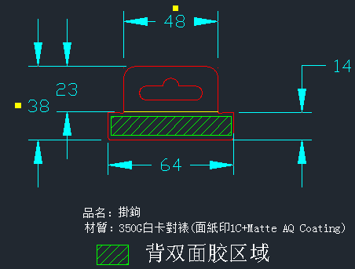 | Hang tab Outside dimensions:(LxW):64x38mm Material: 350gsm SBS对裱 Print: 1C (Pantone 1655C) Surface process: AQ Coating Other: Back side with Double sided tape (60x10mm) Remark:包装原料需符合FSC认证要求 | 掛鉤 | 1 | US$0.1399 | US$0.1399 |  | 0.0019 | 1 | 0.9340 |  | 5000 | 14 | 0.1334 | 0.1334 | 5000 | 0 | 0.1334 | 0.1334 | 5% | 1 | 0.9340 | 5000 | 14 | 0.1315 | 0.1315 | 6%
3 | 1 | 5843-1053-00A0 | CARDBOARD,ELM5 Gen2/FSG-E1J7,PAPER INSERT,KRAFT E FLUET,RoHS | N/A | paper insert | 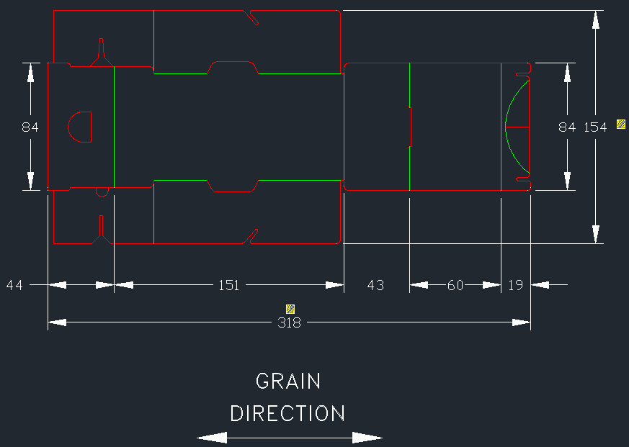 | Paper insert Outside dimensions:(LxWxD):318x154mm Material:E flute corrugated paper board, original color Process: Die-cut Remark:包装原料需符合FSC认证要求 | 内纸卡 | 1 | US$0.0887 | US$0.0887 | 031324: Paper with FSC certificate 鴻威測試OK | 0.0018 | 1 | 0.5300 |  | 5000 | 14 | 0.0757 | 0.0757 | 5000 |  | 0.0757 | 0.0757 | 17% | 1 | 0.5249 | 3000 | 14 | 0.0739 | 0.0739 | 20% | difference between FSC and w/o FSC
4 | 1 | 5849-1053-04A0 | LABEL,ELM5 Gen2/FSG-E1J7,BTS LABEL,RIVAL 3 GEN2,DIAMETER 30mm, TRANSPARENT WOOD PULP PAPER,RoHS | N/A | Seal label | 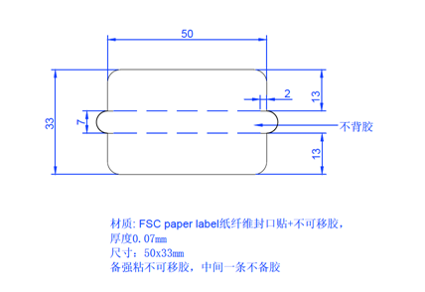 |  | 封口贴 | 1 | US$0.0200 | US$0.0200 |  | 0.0059 | 1 | 0.1115 |  | 10000 | 21-28 | 0.0159 | 0.0159 | 10000 | 21-28 | 0.0159 | 0.0159 | 26% | 2 | 0.0710 | 5000 | 14 | 0.0100 | 0.0100 | 100% | 022724:true cost update
5 | 1 | 5831-1053-04A0 （global） 5831-1053-05A0（CA) | MANUAL,ELM5 Gen2/FSG-E1J7,RIVAL3 GEN2,100x80mm,80GSM WFUC,FSC,RoHS | N/A | PIG | 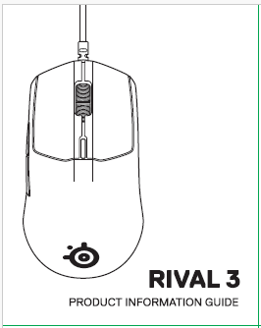 | Manual Flat sheet dimensions(LxW): (L)320*(W)200mm Fold size: 80*100mm Material : 80gsm WFUC Print: 2C double side printing Process: Folding X 4 Remark:包装原料需符合FSC认证要求 | 说明书 | 1 | US$0.1200 | US$0.1200 | 031324: Paper with FSC certificate was 0.0584 | 0.0006 | 1 | 0.2890 | 0.3500 | 5000 | 14 | 0.0413 | 0.0413 | 10000 | 21 | 0.1200 | 0.1200 | 191% | 1 | 0.2890 | 5000 | 14 | 0.0407 | 0.0407 | 195% | difference between FSC and w/o FSC
6 | 1 | 5845-1053-00A0 | BAG,ELM5 Gen2/FSG-E1J7,PAPER SHEET,16GSM MG TISSUE PAPER,FSC,RoHS | N/A | PE bag for mouse | 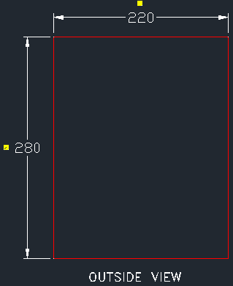 | Paper sheet Dimensions(LxW):(L)280x(W)220mm Material : 16gsm 雪梨纸 Print: N/A | 雪梨紙（包鼠標) | 2 | US$0.0120 | US$0.0240 |  | -0.3091 | 2 | 0.2000 |  | 5000 | 15 | 0.0286 | 0.0571 | 5000 | 0 | 0.0286 | 0.0571 | -58% | 1 | 1.3000 | 10000 | 15 | 0.1831 | 0.3662 | -93%
7 | 1 | 5842-1047-00AA | CARTON,ELM5/FSG-E1J4,MASTER CARTON,182x149x178mm,KRAFT C FLUET,REMOVE SS LOGO,RoHS | N/A | Master Carton | 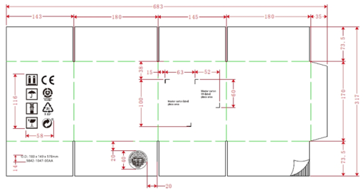 | Carton Outside dimensions:(L)182X(W)149X(H)175mm; Material: A. Material type: Corrugated fibreboard B. Flute: C Flute C. Grade: 200# Mullen Burst OR 32 ECT Print: Black Joint: Glued inside Remark: 纸板原材料需符合FSC认证要求 | 外箱 | 0.16667 | US$0.3243 | US$0.0540 | 031324: Paper with FSC certificate | -0.0177 | 0.16666666667 | 1.1500 |  | 5000 | 15 | 0.1643 | 0.0274 | 10000 | 21 | 0.1910 | 0.0318 | 97% | 0.16666666667 | 1.9185 | 500 | 15 | 0.2702 | 0.0450 | 20% | difference between FSC and w/o FSC
8 | 1 | 5843-1047-01A0 | CARDBOARD,ELM5/FSG-E1J4,T/B BOARD,171x138mm,KRAFT B FLUET,RoHS | N/A | carton TB board | 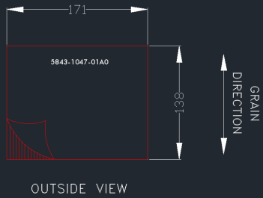 | Paper board Dimension(LxW): (L)171x(W)138mm Material: B flute 12kgf Remark: 纸板原材料需符合FSC认证要求 | 天地板 | 0.33333 | US$0.0882 | US$0.0294 |  | 0.0001 | 0.33333333333 | 0.1700 |  | 5000 | 14 | 0.0243 | 0.0081 | 10000 | 21 | 0.0270 | 0.0090 | 263% | 0.33333333333 | 0.1700 | 500 | 14 | 0.0239 | 0.0080 | 269%
9 | 1 | 5831-1053-01A0 | CARD,ELM5 Gen2/FSG-E1J7,PAPER FILM,16GSM MG TISSUE PAPER,PROTECTIVE FOR BOX,FSC,RoHS | N/A | Protective paper |  | Protective paper Dimensions(LxW):(L)1092x(W)180mm Material : 16gsm 雪梨纸 Print: N/A | 雪梨紙（包彩盒) | 0.33333 | US$0.0154 | US$0.0051 |  | -0.0417 | 0.33333333333 | 0.3800 |  | 5000 | 28 | 0.0543 | 0.0181 | 5000 |  | 0.0543 | 0.0181 | -72% | 0.33333333333 | 1.2730 | 5000 | 28 | 0.1793 | 0.0598 | -91% | 022724:true cost update
10 | 1 | 5849-1051-0AA0 | LABEL,KINGPIN/FCG-3301,4"W x 6"L WHITE,PAPER LABEL,47-00034,RoHS | N/A | Label (for master carton) | 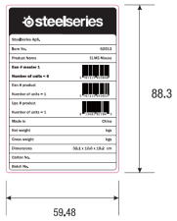 | Master Carton Label Outside dimensions:(L)152X(W)102mm; Material : 80gsm artpaper Print: Black | 外箱标签 | 0.16667 | US$0.0243 | US$0.0040 |  | 0.0000 | 0.16666666667 | 0.1460 |  | 5000 | 15 | 0.0209 | 0.0035 | 5000 | 0 | 0.0209 | 0.0035 | 16% | 0.16666666667 | 0.1460 | 5000 | 15 | 0.0206 | 0.0034 | 18%
11 | 1 | 5849-1047-02A0 | LABEL,ELM5/FSG-E1J4,MASTER CARTON SN LABEL,59.67x52mm,80GMS ARTPAPER,RoHS | N/A | S/N label for carton (for master carton) | 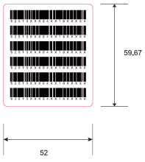 | Carton Label(SN) Outside dimensions: (L)59.67X(W)52mm; Material : 80gsm artpaper | 外箱标签 | 0.16667 | US$0.0097 | US$0.0016 |  | 0.0000 | 0.16666666667 | 0.0580 |  | 5000 | 15 | 0.0083 | 0.0014 | 5000 | 0 | 0.0083 | 0.0014 | 17% | 0.16666666667 | 0.0580 | 5000 | 15 | 0.0082 | 0.0014 | 19%
12 | 1 | 5849-1047-01A0 | LABEL,NINJA/FSG-E1J0,RETAIL BOX LABEL,38x12mm,80GMS ARTPAPER,BLANK,RoHS | N/A | SN Label (for color box) |  | Color box SN Label Outside dimensions: (L)38X(W)12mm; Material : 80gsm artpaper | 彩盒标签 | 1 | US$0.0057 | US$0.0057 |  | 0.0000 | 1 | 0.0100 |  | 5000 | 15 | 0.0014 | 0.0014 | 5000 | 0 | 0.0014 | 0.0014 | 296% | 1 | 0.0100 | 5000 | 15 | 0.0014 | 0.0014 | 302%
13 | 1 | 5849-1053-02A0 黑色 5849-1053-03A0 白色 | LABEL,ELM5 Gen2/FSG-E1J7,PID LABEL,62515 RIVAL 3 GEN2 BLACK,45.424x23mm, 50 PET WITH MATT PP,RoHS | N/A | PID label (for black product) | 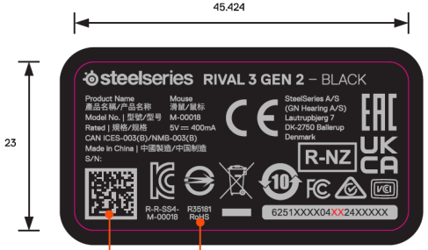 | PID Label Outside dimensions: (L)45.424X(W)23mm; Material : 50#PET+25# PP film Print: 2C | PID标签 | 1 | US$0.0800 | US$0.0800 |  | 0.0003 | 1 | 0.1500 |  | 10000 | 15 | 0.0214 | 0.0214 | 10000 | 21 | 0.0800 | 0.0800 | 273% | 1 | 0.1500 | 5000 | 15 | 0.0211 | 0.0211 | 279% | 022724:true cost update
14 | 1 | 5849-1012-05A0 | LABEL,MICKEY,VK481AA ABA INNER CARTON LABEL 153*102mm,80GSM ARTPAPER,RoHS | N/A | Pallet label | N/A | Pallet Label Outside dimensions: (L)153X(W)102mm; Material : 80gsm artpaper | 棧板标签 | 0.001587 | US$0.0267 | US$0.0000 |  | 0.0000 | 0.001587 | 0.1350 |  | 5000 | 7 | 0.0193 | 0.0000 | 5000 | 0 | 0.0193 | 0.0000 | 38% | 0.0013333333333 | 0.1350 | 5000 | 7 | 0.0190 | 0.000030 | 40%
15 | 1 | 5849-1043-00A0 | LABEL,NINJA/FSG-E1J0,LABEL FOR USB CABLE,66.4x15.3mm,80GMS ARTPAPER WITH MATTE PP FILM TWO SIDE,ADHESIVE,BLANK PRINGING,RoHS | N/A | Cable Tag |  | Cable tag Outside dimensions: (L)66.4X(W)15.3mm; Material : 80gsm artpaper, matte coating(with glue) | USB標籤 | 1 | US$0.0127 | US$0.0127 |  | 0.0001 | 1 | 0.0700 |  | 5000 | 14 | 0.0100 | 0.0100 | 5000 | 0 | 0.0100 | 0.0100 | 27% | 1 | 0.0700 | 5000 | 14 | 0.0099 | 0.0099 | 29%
16 | 1 | 0981-53PN-00A0 | PALLET,Hoist Gen2/FSG-E3J4,FLEX STYLE PALLET,1200x1000x130 mm,PLYWOOD,RoHS | N/A | Pallet & related | 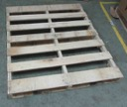 | PALLET,Hoist Gen2/FSG-E3J4,FLEX STYLE PALLET,1200x1000x130 mm,PLYWOOD,RoHS | 膠合棧板 | 0.00079 | US$15.7100 | US$0.0125 |  | -0.0028 | 0.000794 | 76.8000 |  | 100 | 15 | 10.9714 | 0.0087 | 100 | 0 | 10.9714 | 0.0087 | 43% | 0.0013333333333 | 103.0000 | 100 | 15 | 14.5070 | 0.0115 | 8%
17 | 1 | 0984-001E-00A0 | CARDBOARD,SLIP SHEET,CORRUGATED, B/C DOUBLEWALL, 1200MM X 1000MM,BC FLUTE,RoHS | N/A | Card Board | N/A | Card Board Dimension: 1200x1000mm | 隔板 | 0.0015873015873 | US$1.4041 | US$0.0022 |  | 0.0000 | 0.0015873015873 | 7.2600 |  | 5000 | 14 | 1.0371 | 0.0016 | 10000 | 21 | 1.2000 | 0.0019 | 35% | 0.0015873015873 | 7.2600 | 100 | 14 | 1.0225 | 0.0016 | 37%
18 | 1 | 0984-1047-00A0 | CARDBOARD,ELM5/FSG-E1J4,CORRUGATED, B FLUTE,1175x993 mm,RoHS | N/A | Card Board | N/A | Card Board Dimension: 1175x993 mm | 隔板 | 0.0031746031746 | US$0.4803 | US$0.0015 |  | 0.0000 | 0.0031746031746 | 3.4100 |  | 1000 | 15 | 0.4871 | 0.0015 | 10000 | 21 | 0.5640 | 0.0018 | -1% | 0.0031746031746 | 3.4100 | 100 | 15 | 0.4803 | 0.0015 | 0% | 022724:true cost update
19 | 1 | 0984-001H-00A0 | CARDBOARD,PAPER ANGLE BEAD,1025X50X50mm,THICKNESS 5mm,KRAFT PAPER,RoHS | N/A | Corner Board | N/A | Corner Board Dimension:1025X50X50mm | 護角 | 0.00318 | US$0.3268 | US$0.0010 |  | 0.0000 | 0.003175 | 2.0200 |  | 5000 | 15 | 0.2886 | 0.0009 | 5000 | 0 | 0.2886 | 0.0009 | 13% | 0.0063492063492 | 2.0200 | 1000 | 15 | 0.2845 | 0.0009 | 15%
20 | 1 | 0984-001J-00A0 | CARDBOARD,PAPER ANGLE BEAD,900X50X50mm,THICKNESS 5mm,KRAFT PAPER,RoHS | N/A | Corner Board | N/A | Corner Board Dimension:900X50X50mm | 護角 | 0.00635 | US$0.2863 | US$0.0018 |  | 0.0000 | 0.00635 | 1.7700 |  | 5000 | 15 | 0.2529 | 0.0016 | 5000 | 0 | 0.2529 | 0.0016 | 13% | 0.0031746031746 | 1.7700 | 1000 | 15 | 0.2493 | 0.0016 | 15%
21 | 1 | 0952-0004-0001 | OC,DEPLETION,TAPE,SEAL,48mm*45m, | N/A | Seal tape_Clear | N/A | OC,DEPLETION,TAPE,SEAL,48mm*45m, | 透明封箱膠帶 | 0.00222 | US$6.1352 | US$0.0136 |  | -0.0019 | 0.002222 | 5.0200 |  | 100 | 15 | 0.7171 | 0.0016 | 100 |  | 0.7171 | 0.0016 | 756% | 0.005 | 11.2000 | 900 | 15 | 1.5775 | 0.0035 | 289% | New
22 | 1 | 0952-0005-00E0 | INK RIBBON,DEPLETION,B110A,110MM,LF | N/A | INK RIBBON | N/A | INK RIBBON,DEPLETION,B110A,110MM,LF | 碳带 | 0.00103 | US$9.8873 | US$0.0102 |  | 0.0002 | 0.00103 | 59.0000 |  | 10 | 7 | 8.4286 | 0.0087 | 10 |  | 8.4286 | 0.0087 | 17% | 0.000217 | 58.5000 | 10 | 7 | 8.2394 | 0.0085 | 20% | New
23 | 1 | 0952-0002-00E0 | INK RIBBON,DEPLETION,TW10,60MM,LF | N/A | INK RIBBON | N/A | INK RIBBON,DEPLETION,TW10,60MM,LF | 碳带 | 0.00012 | US$5.3544 | US$0.0006 |  | 0.0000 | 0.000118 | 32.0000 |  | 10 | 7 | 4.5714 | 0.0005 | 10 |  | 4.5714 | 0.0005 | 17% | 0.000118 | 31.6800 | 10 | 7 | 4.4620 | 0.0005 | 20% | New
24 | 1 | 0952-000N-00A0 | INK RIBBON,DEPLETION,DMX480 BLACK,50MM*300M,RoHS | N/A | INK RIBBON | N/A | INK RIBBON,DEPLETION,DMX480 BLACK,50MM*300M,RoHS | 碳带 | 0.00010 | US$7.6394 | US$0.0008 |  | 0.0002 | 0.0001 | 56.0000 |  | 10 | 7 | 8.0000 | 0.0008 | 10 |  | 8.0000 | 0.0008 | -5% | 0.0001 | 45.2000 | 50 | 7 | 6.3662 | 0.0006 | 20% | New
25 | 1 | 0952-000S-00E0 | OC,DEPLETION,TAPE,SEAL(400m*500mm*0.018cm),RoHS | N/A | Tape | N/A | OC,DEPLETION,TAPE,SEAL(400m*500mm*0.018cm),RoHS | 打包膜 | 0.00045 | US$6.1352 | US$0.0028 |  | 0.0000 | 0.00045 | 36.0000 |  | 100 | 10 | 5.1429 | 0.0023 | 100 |  | 5.1429 | 0.0023 | 19% | 0.00045 | 36.3000 | 500 | 10 | 5.1127 | 0.0023 | 20% | New
26 | 1 | 098C-1053-00A0 | DESICCANT,ELM5 Gen2/FSG-E1J7,45X35MM-2G,RoHS | N/A | DESICCANT |  | DESICCANT Outside dimensions: (L)45X(W)35mm; Material : SiO2 乾燥劑, 2g/包 | 乾燥劑 | 1.00000 | US$0.0085 | US$0.0085 |  | 0.0070 | 1 | 0.4900 |  | 15000 | 14 | 0.0070 | 0.0070 | 15000 | 14 | 0.0070 | 0.0070 | 21% | 0.00045 | 36.3000 | 500 | 10 |  | 0.0000 | #DIV/0! | New
27 | 1 | 0952-000T-00E0 | TAPE,12mm*30y,LF | N/A | Tape | N/A | TAPE,12mm*30y,LF | 小膠帶 | 0.00200 | US$- | US$- |  | -0.0101 | 0.002 | 0.3800 |  | 1000 | 10 | 0.0543 | 0.0001 | 1000 |  | 0.0543 | 0.0001 | -100% | 0.00045 | 36.3000 | 500 | 10 | 5.1127 | 0.0102 | -100% | New
Subtotal(USD/Unit)： |  |  |  |  |  |  |  |  |  |  | US$0.9442 | 022724: ex rate 7.1 ex rate: 6.3 RMB | USD 0.0055 |  |  |  |  |  |  | US$0.6531 |  |  |  | US$0.7963 | 44.57% |  |  |  |  | 0.0000 | 0.0195 | 4750.19% | Margin
Subtotal(USD/Unit)： |  |  |  |  |  |  |  |  |  |  |  | New ex rate 7 |  |  |  |  |  |  |  |  |  |  |  |  |  |  |  |  |  |  | (0.3997) | -95.36% | cost up due to FSC & sustainable material

ME bom 0618_Black
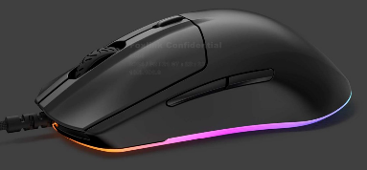
Project Name: | ELM5 Gen2
Prepared By: | Alvin
Last Updated:
Forecast: | 418K*0.8

Item | Component Type | Level 1 System Part Name (by RD) | Level 2 Parts Name (by RD) | Part Picture | Remarks | U/P | Sub-Total | Tool Q'ty | Tool Cav. | Tooling Cost Per Tool (USD/set) | Jig Cost | Total Tooling Cost | True U/P (USD/pcs) | True Sub-Total | Mark up % | Tooling True Cost | Jig Cost | True Sub-Total | Mark Up %
P1 | 1. Plastic | MIDDLE HOUSING B |  |  |  | $0.3675 | $0.37 | 1 | 2 | $2,000 |  | $2,000 | $0.3384 | $0.3384 | 9% | $1,600 |  | $1,600 | 25%
P2 | 1. Plastic | TRIGGER BUTTON LEFT B |  |  |  | $0.0945 | $0.0945 | 1 | 2 | $1,000 |  | $1,000 | $0.0929 | $0.0929 | 2% | $800 |  | $800 | 25%
P3 | 1. Plastic | TRIGGER BUTTON RIGHT B |  |  |  | $0.0945 | $0.0945 |  | 2 |  |  |  | $0.0929 | $0.0929 | 2% |  |  |  | #DIV/0!
P4 | 1. Plastic | BOTTOM COVER W |  |  | 黑/白機種共用 相同Lightguide原料 | $0.2750 | $0.2750 | 1 | 2 |  |  | $0 | $0.2729 | $0.2729 | 1% |  |  | $0 | #DIV/0!
P5 | 1. Plastic | LIGHTGUIDE |  |  | 沿用ELM5物料 | $0.1359 | $0.1359 | 1 | 2 |  |  | $0 | $0.1837 | $0.1837 | -26% |  |  | $0 | #DIV/0!
P6 | 1. Plastic | SIDE BUTTON |  |  | 沿用ELM5物料 | $0.0625 | $0.0625 | 1 | 4 |  |  | $0 | $0.0637 | $0.0637 | -2% |  |  | $0 | #DIV/0!
P7 | 1. Plastic | CPI BUTTON |  |  | 沿用ELM5物料 | $0.0577 | $0.0577 | 1 | 4 |  |  | $0 | $0.0572 | $0.0572 | 1% |  |  | $0 | #DIV/0!
P8 | 1. Plastic | WHEEL HUB |  |  | 沿用ELM5物料 | $0.0892 | $0.0892 | 1 | 8 |  |  | $0 | $0.0866 | $0.0866 | 3% |  |  | $0 | #DIV/0!
P9 | 1. Plastic | SWITCH CUSHION |  |  | 沿用ELM5物料 | $0.0315 | $0.0315 | 1 | 8 |  |  | $0 | $0.0287 | $0.0287 | 10% |  |  | $0 | #DIV/0!
P10 | 1. Plastic | LED CLIP |  |  | 沿用ELM5物料 | $0.1041 | $0.1041 | 1 | 8 |  |  | $0 | $0.1011 | $0.1011 | 3% |  |  | $0 | #DIV/0!
R1 | 3. Rubber | WHEEL GRIP B1 |  |  |  | $0.0810 | $0.0000 | 1 | 36 |  |  | $0 | $0.0732 | $0.0000 | 11% |  |  | $0 | #DIV/0!
R2 | 3. Rubber | WHEEL GRIP B2 |  |  |  | $0.0810 | $0.0810 |  |  |  |  | $0 | $0.0671 | $0.0671 | 21% |  |  | $0 | #DIV/0!
R3 | 3. Rubber | WHEEL GRIP B3 |  |  |  | $0.0810 | $0.0000 |  |  |  |  | $0 | $0.0732 | $0.0000 | 11% |  |  | $0 | #DIV/0!
O1 | 4. Others | PTFE FEET PAD UP W |  |  |  | $0.030 | $0.0600 |  |  |  |  | $0 | $0.0280 | $0.0560 | 7% |  |  | $0 | #DIV/0!
O2 | 4. Others | PTFE FEET PAD DOWN W |  |  |  | $0.153 | $0.1530 |  |  |  |  | $0 | $0.1450 | $0.1450 | 6% |  |  | $0 | #DIV/0!
O3 | 4. Others | SCREW T2x6mm |  |  | 沿用ELM5物料 | $0.0039 | $0.0154 |  |  |  |  | $0 | $0.0031 | $0.0124 | 25% |  |  | $0 | #DIV/0!
O4 | 4. Others | SCREW P2x4mm |  |  | 沿用ELM5物料 | $0.0050 | $0.0446 |  |  |  |  | $0 | $0.0030 | $0.0270 | 65% |  |  | $0 | #DIV/0!
O5 | 4. Others | SCREW P2x4mm |  |  | 沿用ELM5物料 | $0.0050 | $0.0050 |  |  |  |  | $0 | $0.0055 | $0.0055 | -10% |  |  | $0 | #DIV/0!
 |  |  |  |  |  |  | $0.0000 |  |  |  |  | $0 |  | $0.0000 | #DIV/0! |  |  | $0 | #DIV/0!
 |  |  |  |  |  |  | $0.0000 |  |  |  |  | $0 |  | $0.0000 | #DIV/0! |  |  | $0 | #DIV/0!

 |  |  |  |  |  | Total cost | $1.6713 |  |  |  |  | $3,000 |  | $1.6310 | 2.47% |  |  | $2,400 | 25%

ME bom 0618_White
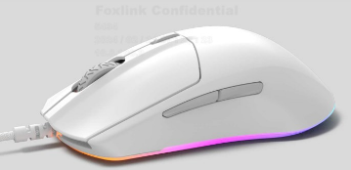
Project Name: | ELM5 Gen2
Prepared By: | Alvin
Last Updated:
Forecast: | 418K*0.2

Item | Component Type | Level 1 System Part Name (by RD) | Part Picture | Part Description (by PLM) | Foxlink P/N | Level 1 Q'ty | Part Weight /g | Material | Color | 2nd Process (Incl. Finish) | T2 Supplier (Vendor Name) | Remarks | U/P | Sub-Total | Tool Q'ty | Tool Cav. | Tooling Cost Per Tool (USD/set) | Jig Cost | Total Tooling Cost | True U/P (USD/pcs) | True Sub-Total | Mark up % | Tooling True Cost | Jig Cost | True Sub-Total | Mark Up %
P1 | 1. Plastic | MIDDLE HOUSING W |  | PLASTIC ASSY,ELM5/FSG-E1J4,MIDDLE HOUSING W,Pantone PQ-11-0601 TCX,RoHS | 5881-1047-09A0 | 1 | 22.00 | ABS Chimei PA 757 | Pantone PQ-11-0601 TCX | Pantone PQ-11-0601 TCX /ABS /VDI 27 印刷Logo,Color:Pantone Cool Grey 6C /Silkscreen Print /Matte | 廠內-塑件 |  | $0.3905 | $0.3905 | 1 | 2 |  |  | $0 | $0.3719 | $0.3719 | 5% |  |  | $0 | #DIV/0!
P2 | 1. Plastic | TRIGGER BUTTON LEFT W |  | PLASTIC ASSY,ELM5/FSG-E1J4,TRIGGER BUTTON LEFT W,Pantone PQ-11-0601 TCX,RoHS | 5881-1047-0AA0 | 1 | 2.60 | ABS+PC WY-A240 | Pantone PQ-11-0601 TCX | Pantone PQ-11-0601 TCX /ABS + PC /VDI 27 | 廠內-塑件 |  | $0.1137 | $0.1137 | 1 | 2 |  |  | $0 | $0.1083 | $0.1083 | 5% |  |  | $0 | #DIV/0!
P3 | 1. Plastic | TRIGGER BUTTON RIGHT W |  | PLASTIC ASSY,ELM5/FSG-E1J4,TRIGGER BUTTON RIGHT W,Pantone PQ-11-0601 TCX,RoHS | 5881-1047-0BA0 | 1 | 2.60 | ABS+PC WY-A240 | Pantone PQ-11-0601 TCX | Pantone PQ-11-0601 TCX /ABS + PC /VDI 27 | 廠內-塑件 |  | $0.1137 | $0.1137 |  | 2 |  |  | $0 | $0.1083 | $0.1083 | 5% |  |  | $0 | #DIV/0!
P4 | 1. Plastic | BOTTOM COVER W |  | PLASTIC ASSY,ELM5/FSG-E1J4,BOTTOM COVER W,Milky WHITE,RoHS | 5881-1047-0CA0 | 1 | 11.00 | PC 141R | Milky White Diffusing 1/1000 | Milky White /Translucent PC /VDI 27 | 廠內-塑件 | 黑/白機種共用 | $0.2750 | $0.2750 | 1 | 2 |  |  | $0 | $0.2729 | $0.2729 | 1% |  |  | $0 | #DIV/0!
P5 | 1. Plastic | LIGHTGUIDE |  | PLASTIC ASSY,ELM5/FSG-E1J4,LIGHTGUIDE W,Milky WHITE,RoHS | 5881-1047-04A0 | 1 | 4.40 | PC 141R | Milky White Diffusing 1/1000 | Milky White /Translucent PC /VDI 24 | 廠內-塑件 | 沿用ELM5物料 | $0.1929 | $0.1929 | 1 | 2 |  |  | $0 | $0.1837 | $0.1837 | 5% |  |  | $0 | #DIV/0!
P6 | 1. Plastic | SIDE BUTTON W |  | PLASTIC ASSY,ELM5/FSG-E1J4,SIDE BUTTON W, Pantone Cool Grey 6C,RoHS | 5881-1047-0EA0 | 1 | 0.60 | ABS Chimei PA 757 | Pantone Cool Grey 6C | Pantone Cool Grey 6C /ABS /VDI 24 | 廠內-塑件 |  | $0.0701 | $0.0701 | 1 | 4 |  |  | $0 | $0.0734 | $0.0734 | -4% |  |  | $0 | #DIV/0!
P7 | 1. Plastic | CPI BUTTON W |  | PLASTIC ASSY,ELM5/FSG-E1J4,CPI BUTTON W,Pantone Cool Grey 6C,RoHS | 5881-1047-0FA0 | 1 | 0.20 | ABS Chimei PA 757 | Pantone Cool Grey 6C | Pantone Cool Grey 6C /ABS /VDI 24 | 廠內-塑件 |  | $0.0647 | $0.0647 | 1 | 4 |  |  | $0 | $0.0652 | $0.0652 | -1% |  |  | $0 | #DIV/0!
P8 | 1. Plastic | WHEEL HUB W |  | PLASTIC ASSY,ELM5/FSG-E1J4,WHEEL HUB W,Pantone Cool Grey 6C,RoHS | 5881-1047-0GA0 | 1 | 1.80 | PC 141R | Pantone Cool Grey 6C | Pantone Cool Grey 6C /PC /VDI 21 | 廠內-塑件 |  | $0.1000 | $0.1000 | 1 | 8 |  |  | $0 | $0.0793 | $0.0793 | 26% |  |  | $0 | #DIV/0!
P9 | 1. Plastic | SWITCH CUSHION |  | PLASTIC,NINJA/FSG-E1J0,SWITCH CUSHION,PA66,RoHS | 5811-1043-08A0 | 1 | 0.05 | PA66 | Black |  | 頂鈞 | 沿用ELM5物料 | $0.0315 | $0.0315 | 1 | 8 |  |  | $0 | $0.0287 | $0.0287 | 10% |  |  | $0 | #DIV/0!
P10 | 1. Plastic | LED CLIP |  | PLASTIC ASSY,ELM5/FSG-E1J4,LED CLIP,LCP,BLACK,RoHS | 5881-1047-08A0 | 1 | 0.20 | ABS | Black |  | 廠內-塑件 | 沿用ELM5物料 | $0.1041 | $0.1041 | 1 | 8 |  |  | $0 | $0.1011 | $0.1011 | 3% |  |  | $0 | #DIV/0!
R1 | 3. Rubber | WHEEL GRIP W1 |  | RUBBER,ELM5/FSG-E1J4,WHEEL GRIP W1,Pantone Cool Grey 6C,RoHS | 5813-1047-04A0 | 0 |  | Silicon rubber | Pantone Cool Grey 6C | Pantone Cool Grey 6C /Silicon Rubber /VDI 24 (Arrow) |  |  | $0.0810 | $0.0000 | 1 | 36 |  |  | $0 | $0.0732 | $0.0000 | #DIV/0! |  |  | $0 | #DIV/0!
R2 | 3. Rubber | WHEEL GRIP W2 |  | RUBBER,ELM5/FSG-E1J4,WHEEL GRIP W2,Pantone Cool Grey 6C,RoHS | 5813-1047-05A0 | 1 |  | Silicon rubber | Pantone Cool Grey 6C | Pantone Cool Grey 6C /Silicon Rubber /VDI 24 (Horizontal V2) | 鑫永成 |  | $0.0810 | $0.0810 |  |  |  |  | $0 | $0.0671 | $0.0671 | 21% |  |  | $0 | #DIV/0!
R3 | 3. Rubber | WHEEL GRIP W3 |  | RUBBER,ELM5/FSG-E1J4,WHEEL GRIP W3,Pantone Cool Grey 6C,RoHS | 5813-1047-06A0 | 0 |  | Silicon rubber | Pantone Cool Grey 6C | Pantone Cool Grey 6C /Silicon Rubber /VDI 24 (Topographic) |  |  | $0.0810 | $0.0000 |  |  |  |  | $0 | $0.0732 | $0.0000 | #DIV/0! |  |  | $0 | #DIV/0!
O1 | 4. Others | PTFE FEET PAD UP W |  | MYLAR,ELM5/FSG-E1J4,PTFE FEET PAD UP WHITE,RoHS | 581C-1047-05A0 | 2 |  | PTFE (TEFLON) | White (電暈) 鈉化 | White /Virgin Grade PTFE /High Gloss 含保護膜(透明) | 德暉 |  | $0.0300 | $0.0600 |  |  |  |  | $0 | $0.0280 | $0.0560 | 7% |  |  | $0 | #DIV/0!
O2 | 4. Others | PTFE FEET PAD DOWN W |  | MYLAR,ELM5/FSG-E1J4,PTFE FEET PAD DOWN WHITE,RoHS | 581C-1047-06A0 | 1 |  | PTFE (TEFLON) | White (電暈) 鈉化 | White /Virgin Grade PTFE /High Gloss 含保護膜(透明) | 德暉 |  | $0.1530 | $0.1530 |  |  |  |  | $0 | $0.1450 | $0.1450 | 6% |  |  | $0 | #DIV/0!
O3 | 4. Others | SCREW T2x6mm |  | SCREW,MILD STEEL,ZINC BLACK,NINJA/FSG-E1J0,T2x6mm,CROSS,1018A BLACK,ZN,RoHS | 0961-0003-83A0 | 4 |  | A1018 | Sliver | 自攻,十字槽,鍍鎳,D3.5*頭厚1.3*L6 | 高億/or 2nd source | 沿用ELM5物料 | $0.0039 | $0.0154 |  |  |  |  | $0 | $0.0031 | $0.0124 | 25% |  |  | $0 | #DIV/0!
O4 | 4. Others | SCREW P2x4mm |  | SCREW,MILD STEEL,ZINC BLACK,NINJA/FSG-E1J0, P2x4mm,CROSS,1018A BLACK,ZN,RoHS | 0961-0004-83A0 | 9 |  | A1018 | Black | 自攻,十字槽,鍍黑鎳,D3.5*頭厚1.3*L4 | 高億/or 2nd source | 沿用ELM5物料 | $0.0050 | $0.0446 |  |  |  |  | $0 | $0.0030 | $0.0270 | 65% |  |  | $0 | #DIV/0!
O5 | 4. Others | SCREW P2x4mm |  | SCREW,MILD STEEL,ZINC WHITE, P2x4mm,CROSS,1018A WHITE,ZN,RoHS,LEFT-HAND THREAD | 0961-0006-81A0 | 1 |  | A1018 | White | 自攻,十字槽,鍍白鋅,D3.5*頭厚1.3*L4, 左旋螺絲 | 力工 | 沿用ELM5物料 | $0.0050 | $0.0050 |  |  |  |  | $0 | $0.0055 | $0.0055 | -10% |  |  | $0 | #DIV/0!
 |  |  |  |  |  |  |  |  |  |  |  |  |  | $0.0000 |  |  |  |  | $0 |  | $0.0000 | #DIV/0! |  |  | $0 | #DIV/0!
 |  |  |  |  |  |  |  |  |  |  |  |  |  | $0.0000 |  |  |  |  | $0 |  | $0.0000 | #DIV/0! |  |  | $0 | #DIV/0!

 |  |  |  |  |  |  |  |  |  |  |  |  | Total cost | $1.8152 |  |  |  |  | $0 |  | $1.7058 | 6.4% |  |  | $0 | #DIV/0!

PKG BOM 20240731_with FSC&減塑
Steelseries Rival3 Gen2 RFQ - Package BOM list |  |  |  |  |  |  |  |  |  |  | Date: 2024/6/18 |  |  | True Cost |  |  |  |  |  |  | 7.10
Model Description: Steelseries Rival 3 Gen2 |  |  |  |  |  |  |  |  | Rev.:A | ELM5 Gen2 |  |  |  | EV Phase | 報價 in RMB w/ FSC certificate |  |  | 報價 in USD w/ FSC certificate |  | Markup | Remark
No. | Level | Foxlink P/N | Customer P/N | Customer Description |  | Image | Description | Chinese Part name | Unit Q'ty (pcs) | Unit Price (USD/pc) ELM5 Gen2 | Amount (USD) ELM5 Gen2 | Remark |  | QTY | 單價 RMB | MOQ | LT day | 單價 USD | Amount(USD)
1-1 | 1 | 584A-1047-00AC | N/A | Box | material: 300g artpaper, 4C+1C PMS, printing: matte PP dimension：278x250mm |  | Box Outside set-up dimensions:(LxWxD):153x86x46mm Flat sheet dimensions:(L)278x(W)250x(T)0.5mm Material:300gsm SBS Print: 4C+1C PMS Surface process: Matte PP film Joint: Glued inside Remark:包装原料需符合FSC认证要求 | 彩盒 | 1 | US$0.3033 | US$0.3033 | 031324: Paper with FSC certificate was 0.2821 |  | 1.00000 | 1.0600 | 5000 | 14 | 0.1493 | 0.1493 | 103% | difference between FSC and w/o FSC | 0.0200 | 1.92%
2 |  | TBD | N/A | Hanger |  |  | Hang tab Outside dimensions:(LxW):70x36.5mm Material: 350gsm SBS对裱 Print: 1C (Pantone 1655C) Other: Back side with Double sided tape (70x10mm) | 掛鉤 | 1 | US$0.1399 | US$0.1399 |  |  | 1.00000 | 0.9340 | 5000 | 14 | 0.1315 | 0.1315 | 6% |  | 0.0820 | 165.34%
3 | 1 | 5843-1047-00A0 | N/A | paper insert | material: E flute corrugated paper board, original color extension dimension：296x152mm |  | Paper insert Outside dimensions:(LxWxD):380x164mm 296x152mm Material:E flute corrugated paper board, original color Process: Die-cut Remark:包装原料需符合FSC认证要求 | 内纸卡 | 1 | US$0.0887 | US$0.0887 | 031324: Paper with FSC certificate |  | 1.00000 | 0.5249 | 3000 | 14 | 0.0739 | 0.0739 | 20% | difference between FSC and w/o FSC | 0.2199 | 72.1%
4 | 1 | TBD | N/A | Seal label |  |  | Seal label Outside dimensions:Φ25mm Material:53gsm 透明木浆纸+丙烯酸胶 &背80gsm格拉辛离型纸 Thickness: 50um +/-2 | 封口贴 | 2 | US$0.0120 | US$0.0240 |  |  | 2.00000 | 0.0710 | 5000 | 14 | 0.0100 | 0.0200 | 20% | 022724:true cost update | 0.0044 | 77.50%
5 | 1 | 5831-1047-00AB | N/A | PIG | material: 80g woodfree paper; dimension: 320 x 200 mm, printing: 2C double side printing type: folding paper |  | Manual Flat sheet dimensions(LxW): (L)320*(W)200mm Fold size: 80*100mm Material : 80gsm WFUC Print: 2C double side printing Process: Folding X 4 Remark:包装原料需符合FSC认证要求 | 说明书 | 1 | US$0.0628 | US$0.0628 | 031324: Paper with FSC certificate was 0.0584 |  | 1.00000 | 0.2890 | 5000 | 14 | 0.0407 | 0.0407 | 54% | difference between FSC and w/o FSC | 0.0260 | 9.89%
6 | 1 | TBD | N/A | PE bag for mouse |  |  | 雪梨紙 230*240mm 17g 雪梨紙 免印+切 | 紙 | 2 | US$0.0120 | US$0.0240 |  |  | 1.00000 | 0.0700 | 5000 | 15 | 0.0099 | 0.0197 | 22% |  | (0.1732) | -94.62%
7 | 1 | 5842-1047-00A0 | N/A | Master Carton | material: B flute, burst above 12KGF |  | ‘Carton Outside dimensions: (L)213X(W)165X(H)185mm(L)321X(W)106X(H)182mm; (L)182X(W)149X(H)175mm; Material: A. Material type: Corrugated fibreboard B. Flute: C Flute C. Grade: 200# Mullen Burst OR 32 ECT Print: Black Joint: Glued inside Remark: 纸板原材料需符合FSC认证要求 | 外箱 | 0.16667 | US$0.3243 | US$0.0540 | 031324: Paper with FSC certificate |  | 0.16667 | 1.9185 | 500 | 15 | 0.2702 | 0.0450 | 20% | difference between FSC and w/o FSC | 0.7685 | 66.83%
8 | 1 | 5843-1047-01A0 | N/A | carton TB board | B/F, burst above 10KGF(inside the carton top and bottom) |  | Paper board Material: B flute 12kgf Dimension(LxW): (L)171x(W)138mm Remark: 纸板原材料需符合FSC认证要求 | 天地板 | 0.33333 | US$0.0882 | US$0.0294 |  |  | 0.33333 | 0.1700 | 500 | 14 | 0.0239 | 0.0080 | 269%
9 | 1 | TBD | N/A | Protective paper |  | N/A | Protective paper Material: 17gsm 雪梨纸 Thickness: 0.02mm Dimension:L700*W170mm | 隔膜纸 | 0.33333 | US$0.0154 | US$0.0051 |  |  | 0.33333 | 0.0950 | 5000 | 28 | 0.0134 | 0.0045 | 15% | 022724:true cost update | (0.0039) | -22.76%
10 | 1 | 5849-1047-03A0 | N/A | Label (for master carton) | material: 80g art paper dimension：100x55 mm printing: 1C with online printing |  | Master Carton Label Outside dimensions:(L)119X(W)78mm (L)88.3X(W)59.48mm(L)100X(W)55mm; Material : 80gsm artpaper Print: Black | 外箱标签 | 0.16667 | US$0.0243 | US$0.0040 |  |  | 0.16667 | 0.1460 | 5000 | 15 | 0.0206 | 0.0034 | 18%
11 | 1 | 5849-1047-02A0 | N/A | S/N label for carton (for master carton) | material: 80g art paper dimension：59.67x52 mm printing: blank with online printing |  | Carton Label(SN) Outside dimensions: (L)40x(W)38mm(L)59.67X(W)52mm; Material : 80gsm artpaper | 外箱标签 | 0.16667 | US$0.0097 | US$0.0016 |  |  | 0.16667 | 0.0580 | 5000 | 15 | 0.0082 | 0.0014 | 19%
12 | 1 | 5849-1043-02A0 | N/A | SN Label (for color box) | material: 80g art paper dimension: 38x12mm printing: blank with online printing | N/A | Color box SN Label Outside dimensions:(L)38X(W)8mm (L)38X(W)12mm; Material : 80gsm artpaper Can be use foxlink existing part P/N 5849-1043-02A0 | 彩盒标签 | 1 | US$0.0057 | US$0.0057 | Can be use foxlink existing part P/N 5849-1043-02A0 |  | 1.00000 | 0.0100 | 5000 | 15 | 0.0014 | 0.0014 | 302%
13 | 1 | 5849-1047-00AA | N/A | PID label (for product) | material: 80g black PET+ printable matte pp film dimension:45.424x23 mm printing: 2C | 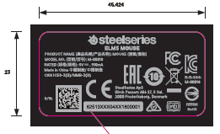 | PID Label Outside dimensions: (L)37.3X(W)33.7mm (L)45.424X(W)23mm; Material : 50#PET+25# PP film Print: 2C | PID标签 | 1 | US$0.0211 | US$0.0211 |  |  | 1.00000 | 0.1500 | 5000 | 15 | 0.0211 | 0.0211 | 0% | 022724:true cost update
15 | 1 | 5849-1043-05A0 | N/A | PCBA Tracking Label | material: 80g art paper dimension：35x7 mm printing: blank with online printing | N/A | PCBA Tracking Label Outside dimensions: (L)35X(W)7mm; Material : 80gsm artpaper Can be use foxlink existing part P/N 5849-1043-05A0 | 追蹤標籤 | 1 | US$0.0084 | US$0.0084 | Can be use foxlink existing part P/N 5849-1043-05A0 |  | 1.00000 | 0.0440 | 10000 | 14 | 0.0062 | 0.0062 | 36%
16 | 1 | 5849-1043-00A0 | N/A | Cable Tag | material: 80g art paper, matte coating(with glue) dimension：66.073x15 mm printing: blank |  | Cable tag Outside dimensions: (L)66X(W)15mm; Material : 80gsm artpaper, matte coating(with glue) Can be use foxlink existing part P/N 5849-1043-00A0 | 下載標籤 | 1 | US$0.0127 | US$0.0127 | Can be use foxlink existing part P/N 0981-1914-00A0 |  | 1.00000 | 0.0700 | 5000 | 14 | 0.0099 | 0.0099 | 29%
16 | 1 | 0981-1918-00A0 | N/A | Pallet & related | pallet packing material Pallet |  | PALLET,OMAHA/FVV-E5K2,GMA STYLE PALLET,1200x1000 mm,RoHS | 棧板 | 0.00133 | US$15.7100 | US$0.0209 | 2020/06/08 Change to GMA pallet |  | 0.00133 | 103.0000 | 100 | 15 | 14.5070 | 0.0193 | 8%
17 | 1 | 0984-001E-00A0 | N/A | Card Board | N/A | N/A | Card Board Dimension: 1200x1000mm | 隔板 | 0.0015873015873 | US$1.4041 | US$0.0022 |  |  | 0.00159 | 7.2600 | 100 | 14 | 1.0225 | 0.0016 | 37%
18 | 1 | 0984-1047-00A0 | N/A | Card Board | N/A | N/A | Card Board Dimension: 1175x993 mm | 隔板 | 0.0031746031746 | US$0.4803 | US$0.0015 |  |  | 0.00317 | 3.4100 | 100 | 15 | 0.4803 | 0.0015 | 0% | 022724:true cost update
19 | 1 | 0984-001H-00A0 | N/A | Corner Board | N/A | N/A | Corner Board Dimension:1025X50X50mm Can be use Foxlink existing P/N: 0984-000W-00E0 | 護角 | 0.00635 | US$0.3268 | US$0.0021 | Can be use Foxlink existing P/N: 0984-000W-00E0 |  | 0.00635 | 2.0200 | 1000 | 15 | 0.2845 | 0.0018 | 15%
20 | 1 | 0984-001J-00A0 | N/A | Corner Board | N/A | N/A | Corner Board Dimension:,900X50X50mm Can be use Foxlink existing P/N: 0984-000x-00E0 | 護角 | 0.00317 | US$0.2863 | US$0.0009 | Can be use Foxlink existing P/N: 0984-000x-00E0 |  | 0.00317 | 1.7700 | 1000 | 15 | 0.2493 | 0.0008 | 15%
21 | 1 | 0952-000T-00A0 | N/A | SS Logo seal tape | N/A | N/A | Corner Board Dimension:60mm X 100m Color: 2C Print | SS標誌封箱膠帶 | 0.00500 | US$1.8930 | US$0.0095 |  |  | 0.00500 | 11.2000 | 900 | 15 | 1.5775 | 0.0079 | 20% | New
22 | 1 | 0952-0005-00E0 | N/A | INK RIBBON | N/A | N/A | INK RIBBON,DEPLETION,B110A,110MM,LF | 碳带 | 0.00022 | US$9.8873 | US$0.0021 |  |  | 0.00022 | 58.5000 | 10 | 7 | 8.2394 | 0.0018 | 20% | New
23 | 1 | 0952-0002-00E0 | N/A | INK RIBBON | N/A | N/A | INK RIBBON,DEPLETION,TW10,60MM,LF | 碳带 | 0.00012 | US$5.3544 | US$0.0006 |  |  | 0.00012 | 31.6800 | 10 | 7 | 4.4620 | 0.0005 | 20% | New
24 | 1 | 0952-000C-00E0 | N/A | INK RIBBON | N/A | N/A | INK RIBBON,DEPLETION,TRC32, 40MM,LF | 碳带 | 0.00010 | US$7.6394 | US$0.0008 |  |  | 0.00010 | 45.2000 | 50 | 7 | 6.3662 | 0.0006 | 20% | New
25 | 1 | 0952-000S-00E0 | N/A | Tape | N/A | N/A | OC,DEPLETION,TAPE,SEAL(400m*500mm*0.018cm),RoHS | 打包膜 | 0.00045 | US$6.1352 | US$0.0028 |  |  | 0.00045 | 36.3000 | 500 | 10 | 5.1127 | 0.0023 | 20% | New
Subtotal(USD/Unit)： |  |  |  |  |  |  |  |  |  |  | US$0.8284 | 022724: ex rate 7.1 ex rate: 6.3 RMB |  |  |  |  |  | 0.0000 | 0.5743 | 44.24% | Margin
Subtotal(USD/Unit)： |  |  |  |  |  |  |  |  |  |  |  | New ex rate 7 | =>update on Oct 27, 2022 |  |  |  |  |  | 0.1552 | 37.02% | cost up due to FSC & sustainable material

